Core Exercise Results
Compilation of data for deterministic DFN
 |  |  |  |  |  |  |  |  |  |  | Televiewer Orientation and Aperture/Thickness
Name | Televiewer Depth |  | Core Depth | Core Depth Corrected to TV | Flow | WR | TD | PS | HN | CU | Dip Azim | Dip Angle | Pole Trend | Pole Plunge | Comments
 | m | ft |  |  |  |  |  |  |  |  | deg
E1-P
P-2 (Top Weep Zone) |  | 2 | 2.0 | 2.00 |  | x | x |  |  |  |  |  | 50 | 0 | TD: Weep Zone, no televiewer (under casing). Assumed orientation based on intersections in other holes and trend on drfit wall (WR notes could be drift damage. TD considers this the flowing weep that hits the drift. Zone of worm rock, breccia (partly healed and open fractures. WR: Frequent fractures that may be due to drilling but more likely due to drift damage. Zone or weep zone (?) material below this zone is very competent
P-10 (Bottom Weep Zone) |  | 10 | 10.0 | 9.97 |  | x | x |  |  |  |  |  | 50 | 0
P-24 | 7.31 | 24.0 | 24.0 | 23.92 |  |  |  |  |  | x | 50.6 | 76.5 | 230.6 | 13.5 | WR: Fracture with good calcite lining and pyrite - 0.1" thick core is broken along fracture
P-55 | 16.7 | 54.8 | 55.3 | 55.11 |  | x | x |  |  | x | 229.6 | 75.4 | 49.6 | 14.6 | WR: Large fracture with calcite spar ~0.2" thick. Pyrite developed along Poorman then calcite developed on top of pyrite. Very prominent. No brecciation. TD: Proposed intermediate zone, but did not flow in find fracture exercise.
P-57 |  |  | 57.0 | 56.80 |  | x |  |  |  |  |  |  |  |  | WR: High angle fracture filled with calcite and included larger pyrite grains. Fracture in core is rough (on core surface?TD) but may be due to plucking.
P-92 |  |  | 91.8 | 91.48 |  |  |  |  |  |  |  |  |  |  | WR: Two thin, open fractures, vug porosity lined w/ crystalline material, somewhat isolated vug w/in calcite-filled fractures
P-122 | 37.11 | 121.8 | 121.9 | 121.47 | Flows in response to pressure on OT, OT-P Connector |  | x | x |  | x | 58.9 | 83.7 | 238.9 | 6.3 | TD: OT-P connector, WR: Significant fracture w/ calcite filling & open fracture face, fracture surface has bumps that appear to be sheared off wide-open fracture & fracture filling going around bumps."
P-127 | 38.92 | 127.7 | 128.0 | 127.54 |  |  | x |  |  | x | 241.1 | 85.5 | 61.1 | 4.5 | TD: Major filled fracture seen in video of "jets" from Stim 2; flagged as possible flow feature by TD in 11/17, but did not flow in find fracture exercise.

E1-I

I-30 | 9.32 | 30.58 | 30.6 | 30.74 |  |  |  | x |  | x | 229 | 76 | 48.8 | 14.3 | Craig's pick not same fracture as core; core fracture is normal to axis
I-83 | 25.15 | 82.51 | 82.8 | 82.57 |  |  | x | x |  | x | 236 | 87 | 55.8 | 2.6 | 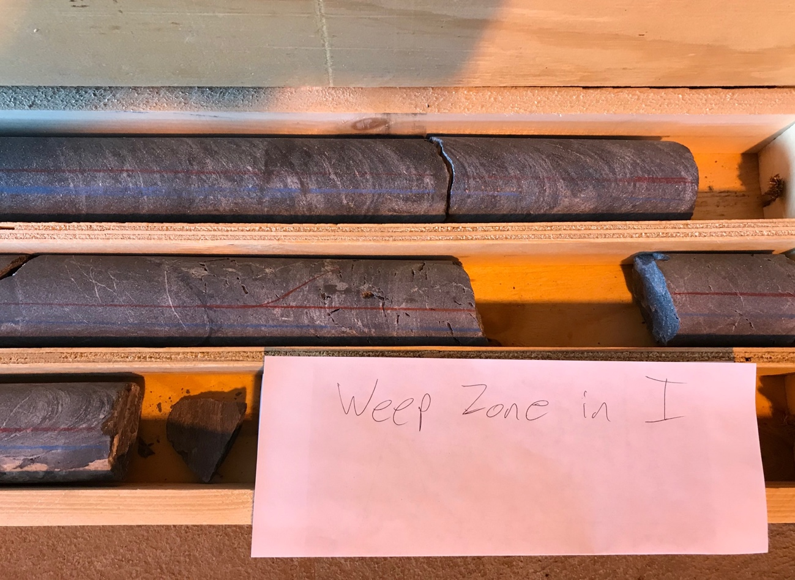 Top of Weep Zone
I-90 |  |  | 89.0 | 88.72 |  |  | x |  |  |  |  |  | 50 | 0.0 | Bottom of Weep Zone
Notch 5 | 34.3 | 112.4 |  |  |  |  |  |  |  |  |  |  | 355 | 12.0
I-122 | 36.98 | 121.33 | 121.8 | 121.29 |  |  | x | x |  | x | 211 | 72 | 31.4 | 18.2 | Very open, large aperture fracture
I-124 | 37.8 | 124.1 | 124.5 | 123.97 |  |  | x |  |  |  | 230 | 80 |  |  | Healed fracture, partialy open with vug, orientation picked by TD based on similar CU picks
Notch 4 | 39.1 | 128.1 |  |  |  |  |  |  |  |  |  |  | 355 | 12.0
 |  |  | 139.6 | 138.96
Notch 3 | 43.1 | 141.4 |  |  |  |  |  |  |  |  |  |  | 355 | 12.0
I-145 | 44.4 | 145.67 |  | 0.36 |  |  | x | x |  | x | 228 | 79 | 47.7 | 11.1 | Zone of open vuggy fractures (wormholes)
I-146 | 44.5 | 146.00 | 146.3 | 145.62 |  |  | x | x |  | x | 214 | 71 | 34.2 | 19.0
Notch 2 | 50.2 | 164.6 |  |  |  |  |  |  |  |  |  |  | 355 | 12.0
Notch 1 | 55.8 | 183.1 |  |  |  |  |  |  |  |  |  |  | 355 | 12.0
I-195 | 59.4 | 195.0 | 195.0 | 193.97 |  |  |  |  | x |  |  |  |  |  | Complex zone 190-200 around quartz nodules/veins

E1-OT
OT-15 | 4.48 |  | 14.7 | 14.95 |  | x |  |  |  |  |  |  |  |  | Small fracture w/ pinholes along mineralized fracture.
OT-39 | 11.77 | 38.6 | 39.1 | 39.39 |  | x |  |  |  |  | 220 | 75 | 39.6 | 14.9 | WR: Small fracture with pinhole mineralization
OT-40 |  |  | 40 | 40.29 |  | x | x |  |  |  |  |  | 50 | 0 | TD: Top of Weep Zone, WR: 38.9-43, Major wormy section,very brecciated;much internal structure
OT-45 | 13.74 | 45.1 | 43.5 | 43.80 |  | x |  |  |  |  | 234 | 48 | 53.8 | 42.4 | 1' wormrock zone
OT-47 | 14.43 | 47.3 | 47 | 47.30 |  | x |  |  |  | x | 204 | 50 | 24.1 | 39.9 | Major open fracture with dogtooth spar calcite
OT-49 | 14.83 | 48.7 | 48.4 | 48.66 | Per PS naturally flowing location in find fracture exercise |  |  | PS |  | x | 158 | 54 | 338.2 | 36.5 | Rubble in core
OT-49 | 14.96 | 49.1 | 49.3 | 49.61 |  | x |  |  |  |  | 240 | 61 | 60.5 | 29.2 | WR: 1' wormrock zone
OT-50 | 15.1 | 49.5 | 50.2 | 50.51 |  | x |  |  |  |  | 211 | 53 | 30.6 | 37.5 | WR: Small fracture w/ some open space
OT-52 | 15.8 | 51.8 | 52 | 52.31 |  | x |  |  |  | x | 37 | 60 | 217.3 | 29.5 | WR: .1' calcite with wormrock
OT-53 | 16.21 | 53.2 | 53 | 53.31 |  | x | x |  |  |  | 48 | 82 | 50 | 0 | TD: Bottom of Weep Zone
OT-69 | 20.81 | 68.3 | 68.5 | 68.84 |  | x |  |  |  |  | 227 | 71 | 47.5 | 18.5 | WR: small mineralized fracture with questionable pinhole
OT-78 | 23.99 |  | 78.7 | 79.05 | DTS anomaly during stim 3 |  |  |  |  |  |  |  | 58 | 0 | DTS anomaly from Stim 3, Orientation based on originating from Stim3 at E1-I
OT-79 | 24.15 | 79.2 |  | 0.23 |  |  | x |  |  | x | 309 | 41 | 129.4 | 49.2
OT-80 | 24.35 | 79.9 | 79.5 | 79.86 |  | x |  |  |  |  | 308 | 41 | 127.9 | 48.7 | WR: mineralized fracture with open space, ~0.02' thick
OT-84 | 25.61 | 84.0 | 83.8 | 84.16 |  | x |  |  |  | x | 309 | 42 | 129.0 | 48.0 | WR: mineralized fracture with opening all the way along the fracture. May have been flowing fracture in the intermediate zone
OT-89 | 27.22 | 89.3 | 89.9 | 90.27 |  | x | x |  |  |  | 210 | 85 | 30.0 | 5.3 | WR: Very distinct vuggy section; has rusty areas surrounding some of the vugs
OT-92 | 28.21 | 92.6 | 92.3 | 92.68 |  | x |  |  |  | x | 240 | 89 | 59.6 | 0.8 | WR: Major fracture with large dogtooth spar; clearly major opening
OT-132 | 40.36 | 132.4 | 131.80 | 132.24 |  | x |  |  |  | x | 312 | 39 | 132.2 | 50.7 | WR: Major fracture with vugs distributed along length, 132-133, many fractures and vugs
OT-161 | 49.25 | 161.6 | 161 | 161.49 | Flows in response to pressure on P, OT-P Connector | x | x |  |  | x | 227 | 79 | 46.5 | 11.3 | TD: OT-P Connector; WR: Major fracture with subsudiary fracture as well, spar throughout with 0.08' opening

E1-OB
OB-46 | 13.79 | b | 45.8 | 45.27 |  | x |  |  |  |  |  |  |  |  | WR: Fracture marked by spotty calcite with several elongate vugs up to 0.05' long
OB-47 | 14.21 | 46.62 | 46.9 | 46.36 |  | x | x |  |  |  | 228 | 63 | 50 | 0 | WR: Small mineralized vein with thin <0.01 vugs along fracture surface; TD: Possible (?) expression of weep zone. Not impressive
OB-67 | 20.11 | 65.98 | 66.7 | 66.05 |  | x |  |  |  |  | 48.94 | 77.97 | 228.9 | 12.0 | WR: mineralized fracture with mulitple large vugs

E1-PST
PST-15 |  |  |  |  | Need Notes
PST-24 | 7.33 | 24.0 | 24.3 | 24.58 | Need Notes | x | x |  |  |  | 238 | 68 | 58.4 | 22.0 | WR: Openings along fracure -somein qtz pod (small); TD: wormy
PST-45 | 13.73 | 45.0 | 46 | 45.92 |  | x |  | x |  |  | 73 | 58 | 253.4 | 31.8 | WR: Mineralized w/ rare, small holes.
PST-56 | 16.94 | 55.6 | 56.5 | 56.25 | Naturally flowing fracture | x | x |  |  | x | 227 | 82 | 46.8 | 7.5 | Naturally flowing fracture
PST-84 | 24.91 | 81.7 | 83.5 | 82.80 |  | x |  |  |  | x | 96 | 51 | 275.9 | 38.6 | WR: Mineralized fracture, small vugs.
PST-91 | 27.64 | 90.7 | 91.6 | 90.77 |  | x |  |  |  |  | 62 | 66 | 241.9 | 23.6 | .1' thick wormy fracture
PST-101 | 30.64 | 100.5 | 102.6 | 101.58 |  |  |  |  |  |  | 85 | 55 | 265.1 | 35.5 | WR: good fracture with well developed vugs
PST-103 | 31.33 | 102.8 | 104.4 | 103.35 |  |  |  |  |  |  | 217 | 88 | 36.9 | 1.9 | WR: Fracture taken by AG
PST-104 | 31.72 | 104.1 | 105.5 | 104.44 |  |  |  |  |  |  | 239 | 80 | 58.5 | 10.2 | WR: Open fracture skimmed by hole
PST-113 |  |  | 115 | 113.78 |  |  |  |  |  |  | 277 | 40 | 97.0 | 50.0 | 104'-120', TD: wormy, weep-type zone?, WR: 115, major wormy fracture ; PS: Zone of open/wormhole fractures & vugs, occuring both individually and in groups
PST-120 | 36.52 | 119.8 | 120 | 118.69 |  |  | x |  |  |  | 73 | 25 | 253.0 | 65.0 | Bottom of weep-type zone

E1-PSB
PSB-27 | 8.18 | 26.8 | 27 | 25.00 |  | x |  |  |  | x | 61 | 89 | 118.7 | 1.0 | WR: Shallow vugs with a rusty rimming them
PSB-78 |  |  | 78 | 75.72 |  | x |  |  |  |  |  |  |  |  | largely healed fracture with small rare holes
PSB-149 |  |  | 148.5 | 145.84 |  | x |  |  |  |  |  |  |  |  | small vug in mineralized fracture
PSB-150 |  |  | 150 | 147.33 |  | x |  |  |  |  |  |  |  |  | WR: 149.6-150 small pinhole
PSB-183 |  | 183.3 | 186.2 | 183.34 | Hypothesis of flow from deep in PSB during find fracture exercise. Not actually observed. |  |  | x
PSB-186 | 56.69 | 186.0 | 186 | 183.14 |  |  |  |  |  | x | 66 | 47 | 113.9 | 42.7 | WR: small vugs in fracture
PSB-191 |  |  | 191 | 188.11 |  | x |  |  |  |  |  |  |  |  | WR: Well-developed opening in a mineralized zone, w/ aperture of 0.02 in.
PSB-196 |  |  | 196.6 | 193.68 |  | x |  |  |  |  |  |  |  |  | WR: small mineralized fracture with small pinhole (below OTV depth)

E1-PDT
PDT-107 | 32.68 | 107.2 | 107.35 | 107.08 |  |  |  | x |  | x | 57 | 88 | 122.8 | 2.3 | Fracture taken by AG; logged as open appears open in core photos
PDT-142 | 43.35 | 142.2 | 142.4 | 142.20 | Flowed in response to E1-I pressure. E1-I did not respond to pressure E1-PDT |  |  |  |  | x | 55 | 88 | 124.9 | 2.3 | Find fracture flow from E1-I, but not reciprocal, TD: largely healed, seems to flow from small opening
PDT-169 | 51.58 | 169.2 | 169 | 168.96 |  | x |  |  |  | x | 217 | 52 | 36.8 | 38.2 | WR: Open fracture with calcite, breccia, and several vugs, significant
PDT-178 | 54.17 | 177.7 | 177.8 | 177.82 |  | x |  |  |  |  | 261 | 63 |  |  | WR: brecciated zone without open fracture but has well developed fracture on downhole side

E1-PDB
PDB-72 | 21.81 | 71.6 | 72 | 71.71 |  |  | x |  |  | x | 65 | 59 | 114.8 | 30.6
PDB-122 |  |  | 122 | 121.42 |  | x |  |  |  |  |  |  |  |  | WR: etched quartz pod with small fracture in country rock - not significant

Core-TV Registration
 |  | Core | T_V
x | I | 25.4 | 25.7 | 25.4 | -0.3
x | I | 61.1 | 60.9 | 61.1 | 0.2
 | I | 121.9 | 121.3 | 121.9 | 0.6
 | I | 146.4 | 145.7 | 146.4 | 0.7
x | I | 165.6 | 164.9 | 165.6 | 0.7
 | I | 68.55 | 69.1 | 68.55 | -0.55
 | I | 95 | 94 | 95 | 1

x | OB | 32.4 | 32 | 32.4 | 0.4
x | OB | 76.8 | 76 | 76.8 | 0.8
 |  | 113.6 | 112.7 | 113.6 | 0.9
x | OB | 162.6 | 161.4 | 162.6 | 1.2

 | OT | 25 | 25.3 | 25 | -0.3
x | OT | 39.7 | 40 | 39.7 | -0.3
x | OT | 91.7 | 92 | 91.7 | -0.3
x | OT | 144.3 | 144.8 | 144.3 | -0.5
 | OT | 161.1 | 161.6 | 161.1 | -0.5

 | P | 24 | 23.9 | 24 | 0.1
x | P | 55.2 | 54.82 | 55.2 | 0.38
 | P | 75.65 | 75.56 | 75.65 | 0.09
 | P | 122.1 | 121.75 | 122.1 | 0.3
 | P | 128 | 127.6 | 128 | 0.4
x | P | 177 | 176.25 | 177 | 0.75

 | PDB | 31.6 | 31.6 | 31.6 | 0
x | PDB | 90.5 | 90 | 90.5 | 0.5
x | PDB | 168.5 | 167.7 | 168.5 | 0.8
x | PDB | 194.1 | 193.1 | 194.1 | 1

 | PDT | 32.2 | 32.2 | 32.2 | 0
x | PDT | 70.9 | 70.8 | 70.9 | 0.1
 | PDT | 104.6 | 104.3 | 104.6 | 0.3
 | PDT | 151.6 | 151.3 | 151.6 | 0.3
x | PDT | 190.5 | 190.7 | 190.5 | -0.2

 | PSB | 37.1 | 34.8 | 37.1 | 2.3
x | PSB | 61.4 | 59.6 | 61.4 | 1.8
 | PSB | 114.3 | 111.5 | 114.3 | 2.8
 | PSB | 151.8 | 149.4 | 151.8 | 2.4
x | PSB | 190 | 187 | 190 | 3

x | PST | 27.3 | 27.5 | 27.3 | -0.2
 | PST | 84.2 | 83.6 | 84.2 | 0.6
x | PST | 105.6 | 104.4 | 105.6 | 1.2
x | PST | 111.9 | 110.8 | 111.9 | 1.1
 | PST | 136.4 | 134.8 | 136.4 | 1.6

